Sheet1
CHAMPION HEADWEAR
MSRP: varies by style: range from $
OFFER PRICE $6.90
Open to reasonable offers based on volume
FOB Brantford, ON.
COTTON TWILL CAP
This cap cotton twill is perfect for a casual look and gives comfort. It is an ideal cap for any type of event. It is available in various colors and size is easily adjustable with a brass fitter.
The quality of materials gives this cap a good resistance, it will protect you from the sun and its pre-curved visor will keep your eyes protected from the sunlight.
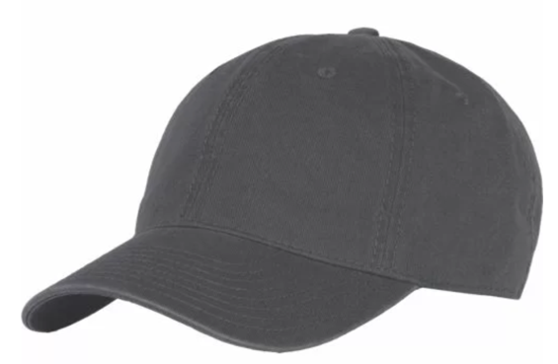
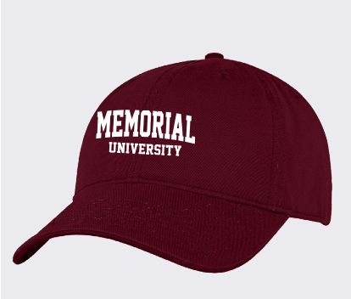
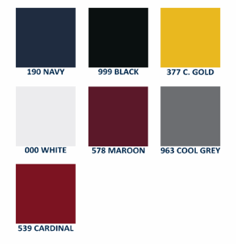
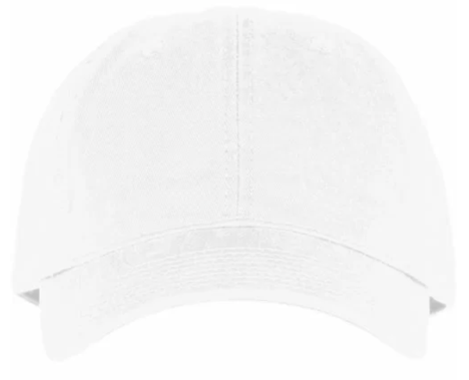
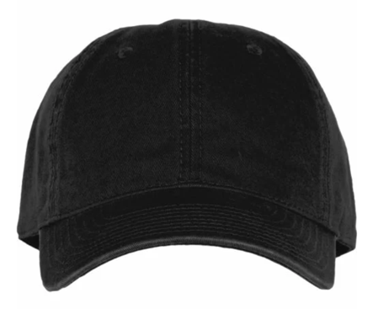
Materials:
100% cotton twill
pre-curved visor
six unstructured panels
automatic brass closure
stitched eyelets
machine wash
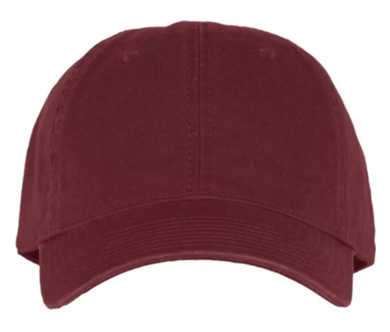
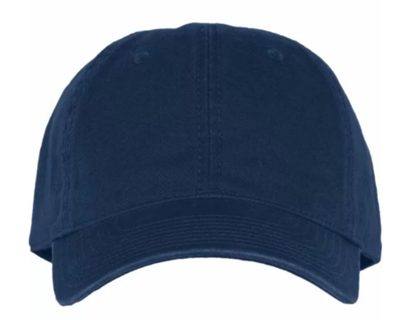
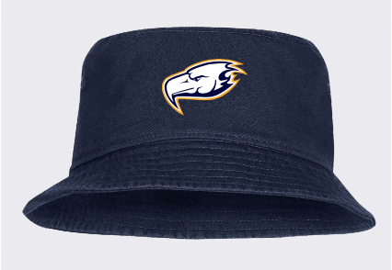
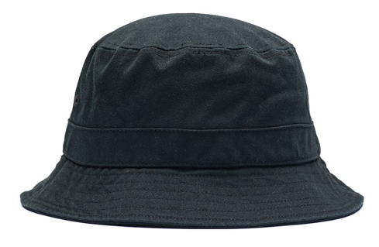
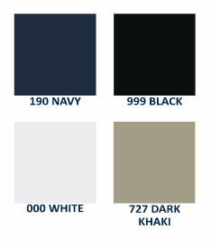
CHAMPION BUCKET HAT
classic bucket silhouette
100% ripstop cotton
textured appearance

QUANTITIES AVAILABLE (subject to prior sale/ subject to final count at time of sale)

Part Number | Colour | Description | SIZE | S | L | ADJ

CH100M | BLACK | Champion Men's Garment Wash Twill Adjustable Hat |  |  |  | 1179

CH100M | CARDINAL | Champion Men's Garment Wash Twill Adjustable Hat |  |  |  | 551

CH100M | GOLD | Champion Men's Garment Wash Twill Adjustable Hat |  |  |  | 551

CH100M | GREY | Champion Men's Garment Wash Twill Adjustable Hat |  |  |  | 1008

CH100M | MAROON | Champion Men's Garment Wash Twill Adjustable Hat |  |  |  | 471

CH100M | NAVY | Champion Men's Garment Wash Twill Adjustable Hat |  |  |  | 1372

CH100M | WHITE | Champion Men's Garment Wash Twill Adjustable Hat |  |  |  | 1190

CH11OU | BLACK | Champion Garment Washed Twill Bucket Hat |  | 91

CH11OU | KHAKI | Champion Garment Washed Twill Bucket Hat |  | 108 | 95

CH11OU | WHITE | Champion Garment Washed Twill Bucket Hat |  | 42 | 78

 |  |  | TOTALS | 241 | 173 | 6322

